Stats
Descriptive Statistics
 | N | Minimum | Maximum | Mean | Std. Deviation | Skewness |  | Kurtosis
 | Statistic | Statistic | Statistic | Statistic | Statistic | Statistic | Std. Error | Statistic | Std. Error |  |  | Pred | Unpred
Same_Pred | 453 | -332.41 | 1999.32 | 483.2192 | 431.79647 | 1.156 | 0.115 | 1.381 | 0.229 |  | Same | 483.2192 | 554.7239
Same_Unpred | 453 | -419.28 | 1925.67 | 554.7239 | 450.02773 | 0.878 | 0.115 | 0.471 | 0.229 |  | Different | 576.8187 | 677.0807
Different_Pred | 458 | -174.84 | 1969.94 | 576.8187 | 433.36284 | 0.99 | 0.114 | 0.571 | 0.228
Different_Unpred | 451 | -163.04 | 1982.75 | 677.0807 | 463.57209 | 0.558 | 0.115 | -0.334 | 0.229
Valid N (listwise) | 399

Tests of Normality
 | Kolmogorov-Smirnova |  |  | Shapiro-Wilk
 | Statistic | df | Sig. | Statistic | df | Sig.
Same_Pred | 0.105 | 399 | 0 | 0.919 | 399 | 0
Same_Unpred | 0.098 | 399 | 0 | 0.938 | 399 | 0
Different_Pred | 0.111 | 399 | 0 | 0.921 | 399 | 0
Different_Unpred | 0.082 | 399 | 0 | 0.956 | 399 | 0
a Lilliefors Significance Correction

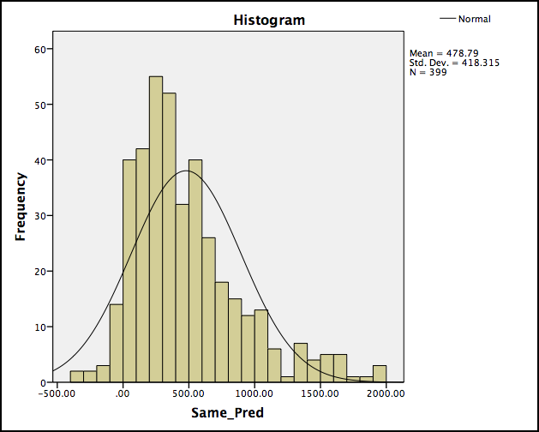
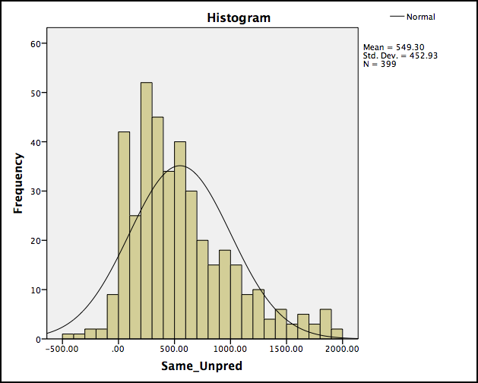
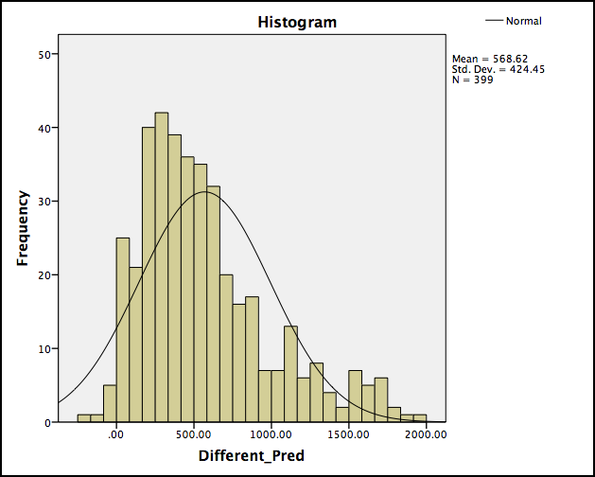
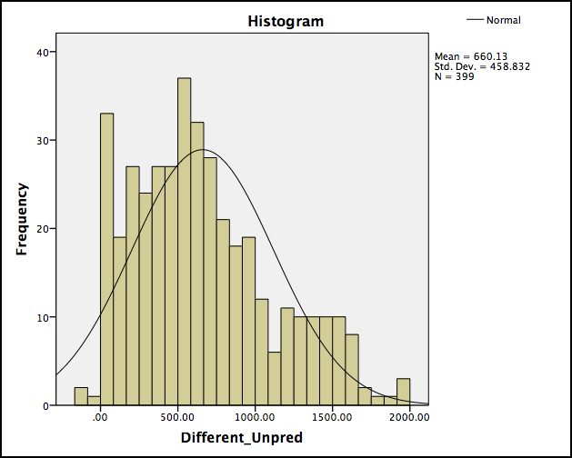

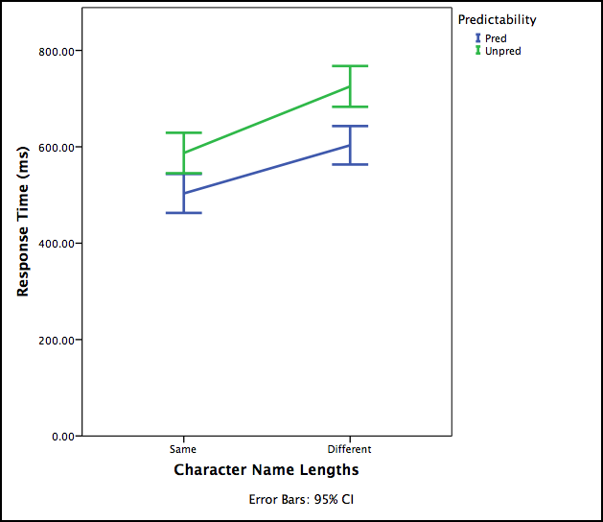
 |  |  |  |  |  |  |  | Tests of Within-Subjects Effects
 |  |  |  |  |  |  |  | Measure: RT
 |  |  |  |  |  |  |  | Source |  | Type III Sum of Squares | df | Mean Square | F | Sig.
 |  |  |  |  |  |  |  | Length | Sphericity Assumed | 4016131.493 | 1 | 4016131.493 | 20.982 | 0
 |  |  |  |  |  |  |  |  | Greenhouse-Geisser | 4016131.493 | 1 | 4016131.493 | 20.982 | 0
 |  |  |  |  |  |  |  |  | Huynh-Feldt | 4016131.493 | 1 | 4016131.493 | 20.982 | 0
 |  |  |  |  |  |  |  |  | Lower-bound | 4016131.493 | 1 | 4016131.493 | 20.982 | 0
 |  |  |  |  |  |  |  | Error(Length) | Sphericity Assumed | 76179336.731 | 398 | 191405.369
 |  |  |  |  |  |  |  |  | Greenhouse-Geisser | 76179336.731 | 398 | 191405.369
 |  |  |  |  |  |  |  |  | Huynh-Feldt | 76179336.731 | 398 | 191405.369
 |  |  |  |  |  |  |  |  | Lower-bound | 76179336.731 | 398 | 191405.369
 |  |  |  |  |  |  |  | Predictability | Sphericity Assumed | 2618799.816 | 1 | 2618799.816 | 15.681 | 0
 |  |  |  |  |  |  |  |  | Greenhouse-Geisser | 2618799.816 | 1 | 2618799.816 | 15.681 | 0
 |  |  |  |  |  |  |  |  | Huynh-Feldt | 2618799.816 | 1 | 2618799.816 | 15.681 | 0
 |  |  |  |  |  |  |  |  | Lower-bound | 2618799.816 | 1 | 2618799.816 | 15.681 | 0
 |  |  |  |  |  |  |  | Error(Predictability) | Sphericity Assumed | 66468914.963 | 398 | 167007.324
 |  |  |  |  |  |  |  |  | Greenhouse-Geisser | 66468914.963 | 398 | 167007.324
 |  |  |  |  |  |  |  |  | Huynh-Feldt | 66468914.963 | 398 | 167007.324
 |  |  |  |  |  |  |  |  | Lower-bound | 66468914.963 | 398 | 167007.324
 |  |  |  |  |  |  |  | Length * Predictability | Sphericity Assumed | 43987.67 | 1 | 43987.67 | 0.253 | 0.615
 |  |  |  |  |  |  |  |  | Greenhouse-Geisser | 43987.67 | 1 | 43987.67 | 0.253 | 0.615
 |  |  |  |  |  |  |  |  | Huynh-Feldt | 43987.67 | 1 | 43987.67 | 0.253 | 0.615
 |  |  |  |  |  |  |  |  | Lower-bound | 43987.67 | 1 | 43987.67 | 0.253 | 0.615
 |  |  |  |  |  |  |  | Error(Length*Predictability) | Sphericity Assumed | 69212046.253 | 398 | 173899.614
 |  |  |  |  |  |  |  |  | Greenhouse-Geisser | 69212046.253 | 398 | 173899.614
 |  |  |  |  |  |  |  |  | Huynh-Feldt | 69212046.253 | 398 | 173899.614
 |  |  |  |  |  |  |  |  | Lower-bound | 69212046.253 | 398 | 173899.614

5yo
 | RT
447 | 939.832624
775 | 884.557905
891 | 868.870575
707 | 738.681442
647 | 676.693853
399 | 643.98707
555 | 541.579857
681 | 444.221474
742 | 396.341851
1768 | 310.583931
810 | 286.955929
1269 | 286.410876
1009 | 237.453508
824 | 212.343044
927 | 188.429248
1153 | 126.549275
948 | 29.032891
1329 | 0
707 | 1999.321765
863 | 1749.000458
1009 | 1339.446252
539 | 892.724341
1153 | 721.168672
399 | 677.399573
775 | 632.458327
555 | 572.282514
810 | 552.902603
447 | 527.10852
681 | 418.004598
742 | 380.733175
1329 | 359.370182
1768 | 262.257528
891 | 235.542681
824 | 232.346856
927 | 202.826321
1269 | 201.09934
647 | 179.864291
948 | 28.571489
788 | 0
681 | 1574.415655
647 | 1171.587455
863 | 951.156331
1153 | 847.071625
399 | 828.341844
555 | 784.043899
1329 | 561.144917
742 | 522.952645
891 | 491.322227
775 | 385.004292
824 | 294.610277
...
 |  |  |  |  |  |  |  | Correlation
 |  |  |  |  |  |  |  | Correlations |  |  |  |  |  | Correlations
 |  |  |  |  |  |  |  |  |  | RT | Name_Length |  |  |  |  | RT | Name_Length
 |  |  |  |  |  |  |  | RT | Pearson Correlation | 1 | -.286** |  |  | RT | Pearson Correlation | 1 | -.199**
 |  |  |  |  |  |  |  |  | Sig. (2-tailed) |  | 0 |  |  |  | Sig. (1-tailed) |  | 0
 |  |  |  |  |  |  |  |  | N | 1722 | 1722 |  |  |  | N | 1895 | 1895
 |  |  |  |  |  |  |  | Name_Length | Pearson Correlation | -.286** | 1 |  |  | Name_Length | Pearson Correlation | -.199** | 1
 |  |  |  |  |  |  |  |  | Sig. (2-tailed) | 0 |  |  |  |  | Sig. (1-tailed) | 0
 |  |  |  |  |  |  |  |  | N | 1722 | 1895 |  |  |  | N | 1895 | 1895
 |  |  |  |  |  |  |  | ** Correlation is significant at the 0.01 level (2-tailed). |  |  |  |  |  | ** Correlation is significant at the 0.01 level (1-tailed).

 |  |  |  |  |  |  |  | Correlations |  |  |  |  |  | Correlations
 |  |  |  |  |  |  |  |  |  |  | RT | Name_Length |  |  |  |  | RT | Name_Length
 |  |  |  |  |  |  |  | Spearman's rho | RT | Correlation Coefficient | 1 | -.321** |  | Spearman's rho | RT | Correlation Coefficient | 1 | -.263**
 |  |  |  |  |  |  |  |  |  | Sig. (2-tailed) | . | 0 |  |  |  | Sig. (1-tailed) | . | 0
 |  |  |  |  |  |  |  |  |  | N | 1722 | 1722 |  |  |  | N | 1895 | 1895
 |  |  |  |  |  |  |  |  | Name_Length | Correlation Coefficient | -.321** | 1 |  |  | Name_Length | Correlation Coefficient | -.263** | 1
 |  |  |  |  |  |  |  |  |  | Sig. (2-tailed) | 0 | . |  |  |  | Sig. (1-tailed) | 0 | .
 |  |  |  |  |  |  |  |  |  | N | 1722 | 1895 |  |  |  | N | 1895 | 1895
 |  |  |  |  |  |  |  | ** Correlation is significant at the 0.01 level (2-tailed). |  |  |  |  |  | ** Correlation is significant at the 0.01 level (1-tailed).

